Other Documents
This document from WBUR in 2024/09 shows that Northampton ESSER I, II, III were $374,267 $1,463,259 $3,270,000, respectively. ESSER III has gone up slightly up to $3,391,996 since then.
https://media.wbur.org/wp/2024/09/ESSER_1_2_and_3-1.pdf

In page 22 of the FY22 (July 2021 to June 2022) budget book presented in Feb 2021, it says "using one-time revenues to increase payroll creates a unemployment liability when the funds run out." The current mayor was elected in Nov 2021.
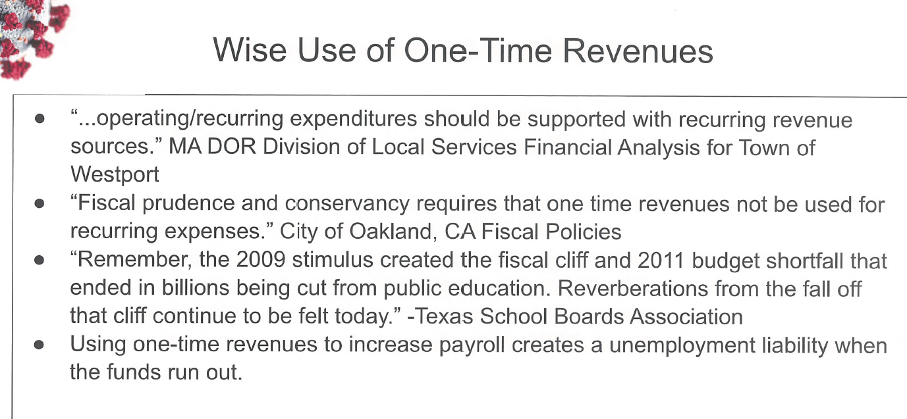

From page 23 of the same report
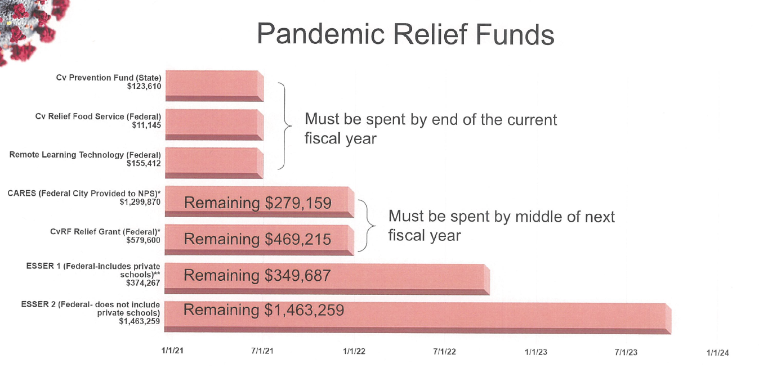

This report could be better written. It gives a long line-by-line list of individual employees budgets and then the total. It doesn't say much about the number of employees per department or average salaries per person.

P. 138 has grants and revolving accounts
ESSER in the amount of 374,267 for FY 21 is listed under fund code 113.
It seems revolving account on p 145 does not get counted toward the general city budget
Special Education Circuit Breaker for FY22 Approved is 696,666. https://www.mass.gov/doc/how-does-the-special-education-circuit-breaker-work/download

